Instructions
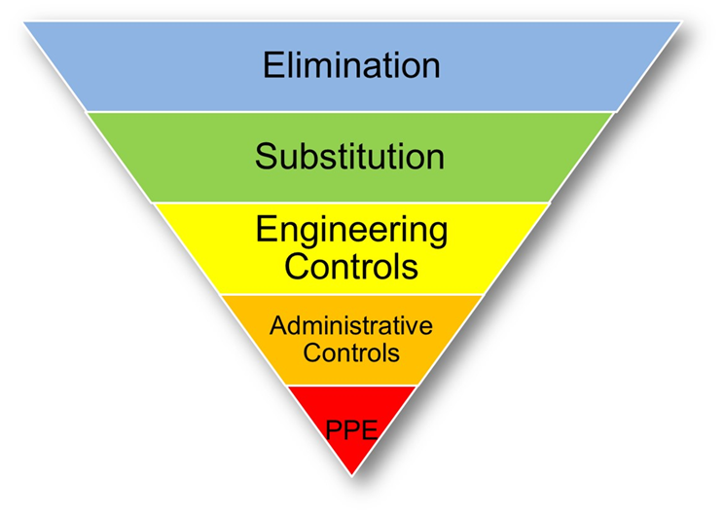 Hiearchy of Controls Task Assessment Instructions | Occupational Safety Considerations to guide departments and operational units in reopening processes. These controls are to be used to help a department fulfill its need to address hazards in the workplace. The exposures related to COVID-19 include the following modes of transmission: person to person airborne (droplet exposure), surface to person (touch exposure) and likely fecal to person (touch & droplet exposure). When following the control guide on the next tab from left to right, please consider those modes of transmission, and the activity which your personnel are directly involved in. There are no requirements for submittal to SM, however, SM is available to walk departments through this process. It is the department's (and ultimately the campus' chain of command) responsibility to determine the appropriate controls when not mandated by a legal requirement (face coverings from the Governor's executive order for instance). The Occupational Safety and Health Administration indicates that this process can be used to determine appropriate protections for employers in a multitude of industries, and gives the department the flexibility to come up with a mitigation technique (for COVID-19) which works with their operation. This tool can be used in conjunction with the Guidance on Preparing Workplaces for COVID-19 OSHA publication identifying exposure risk groups. See below for hyperlink. No mitigation technique can put individuals at risk (plexiglass or barricades can't block egress for example).
Click here to go to the OSHA Hazard Recognition webpage for COVID-19

